3000 PACK
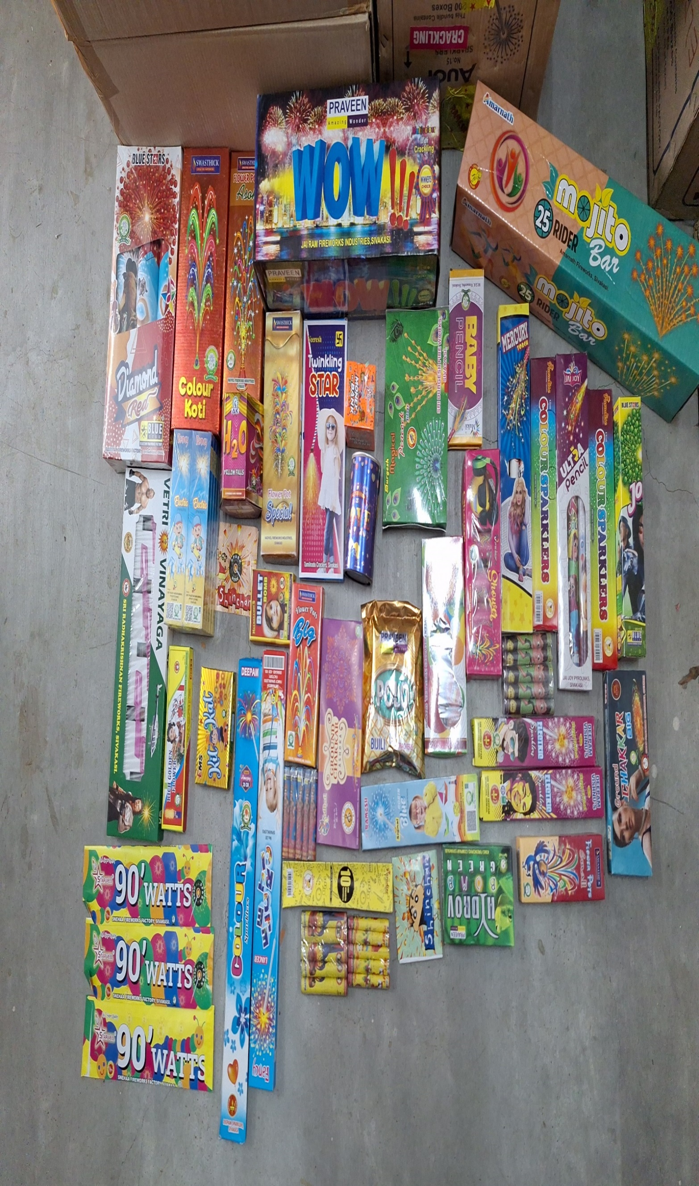
SREE JAYAM CRACKERS
3/1351/9 BALAJI NAGAR, PARAIPATTI , SIVAKASI - 626189
MOBILE : 99404 99904
3000 FAMILY PACK - 46 VARIETIES OF NEW AND TRENDING CRACKERS

BONUS : LUNCH BAG - 1 NOS, DAILY CALENDER - 1 NOS & MONTHLY CALENDER - 1 NOS

S.NO | PARTICULARS | QTY
1 | COLOURFUL 30 SHOTS MULTICOLOR WITH CRACKLING | 1
2 | PREMIUM 25 SHOTS | 1
3 | SWASTHICK MEGA COLOUR KOTI (10 PCS)- UV METALLIC BOX | 1
4 | WATER QUEEN FOUNTAIN (1 PC) | 1
5 | MAGICAL PEACOCK FOUNTAIN - (1 PC) | 1
6 | SUPER 2''FANCY SINGLE PC / BOX | 3
7 | DIGITAL LAR (1 PC) | 3
8 | SWASTHICK - FLOWER POTS ASHOKA (10 PCS) | 1
9 | DRONE (5 PCS) | 1
10 | HELICOPTER (5 PCS) | 1
11 | BUTTERFLY/CHOTTA FANCY (1 PC) | 1
12 | ULTRA PENCIL (3 PCS) | 1
13 | TIN FOUNTAIN (1 PC) | 1
14 | DISCO SHOWER (5 PCS) | 1
15 | 7 CM ELECTRIC SPARKLERS (10 PCS) | 10
16 | 10 CM COLOUR SPARKLERS (10 PCS) | 1
17 | GROUND CHAKKAR SUPER BIG (10 PCS) | 1
18 | GROUND CHAKKAR SPECIAL (10 PCS) | 1
19 | PHOTO FLASH ( 5 PCS) | 1
20 | SELFIE STICK (3 PCS) | 1
21 | SWASTHICK FLOWER POTS SPECIAL (10 PCS) | 1
22 | MONEY IN THE BANK (1 PC) | 1
23 | HYDRO BOMB (10 PCS) | 1
24 | SNAKE TABLET (10 BOXES)/ST. BIJILI (100 PCS) | 1
25 | 4' TWINKLING STAR (10 PCS) | 1
26 | GROUND CHAKKAR ASHOKA (10 PCS) | 1
27 | SWASTHICK FLOWER POTS BIG (10 PCS) | 1
28 | GOLDEN FLOWER (10 PCS) | 1
29 | DRAGON FIGHTER -MINI FLOWER POTS (10 PCS) | 1
30 | RED GRAVIER PREMIUM RED BIJILI (100'S) | 1
31 | 32 DIGITAL LAR (1 PC) | 1
32 | SWASTHICK FLOWER POTS SMALL (10 PCS) | 1
33 | 30 CM ELECTRIC SPARKLERS (5 PCS) | 1
34 | 30 CM CRACKLING SPARKLERS (5 PCS) | 1
35 | 4'' LAKSHMI MEGA DELUXE 12 PLY | 1
36 | 12 CM CRACKLING SPARKLERS (10 PCS) | 2
37 | 10 CM BLUE COLOUE SPARKLERS (10 PCS) | 1
38 | 12 CM ELECTRIC SPARKLERS (10 PCS) | 2
39 | 4'' GOLD LAKSHMI 10 PLY | 1
40 | BULLET BOMB (10 PCS) | 1
41 | 7'' PENCIL (10 PCS) | 1
42 | 28 DIGITAL LAR (1 PC) | 1
43 | 1 1/2' TWINKLING STAR (10 PCS) | 1
44 | 3 1/2 '' LAKSHMI | 1
45 | 4 " LAKSHMI | 1
46 | 2 3/4" KURUVI | 1

5000 PACK
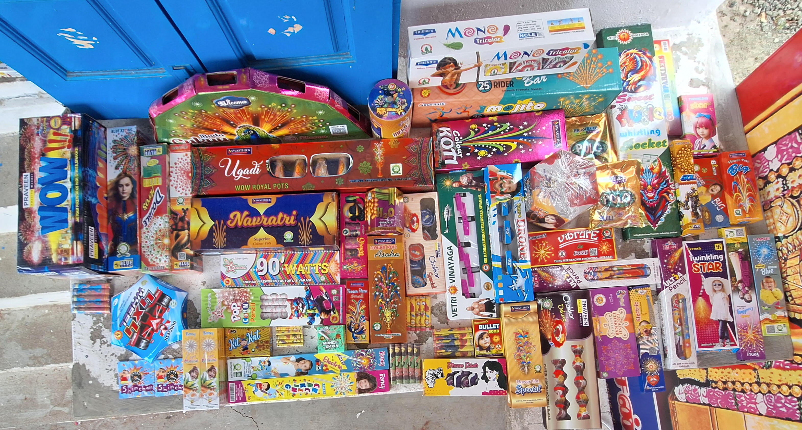
SREE JAYAM CRACKERS
3/1351/9 BALAJI NAGAR, PARAIPATTI , SIVAKASI - 626189
MOBILE : 99404 99904
5000 FAMILY PACK - 54 VARIETIES OF NEW AND TRENDING CRACKERS

BONUS : LAPTOP BAG - 1 NOS, DAILY CALENDER - 1 NOS & MONTHLY CALENDER - 1 NOS

S.NO | PARTICULARS | QTY
1 | BLUESTAR BRAND 4'' FANCY | 1
2 | BLUESTAR BRAND 3.5'' FANCY | 1
3 | BADA PEACOCK PRO MAX (1 PC) | 1
4 | COLOURFUL 30 SHOTS MULTICOLOR WITH CRACKLING | 1
5 | SWASTHICK ULTRA DLX COLOUR KOTI ( 5 PCS ) | 1
6 | SWASTHICK SUPER DELUXE COLOR KOTI - UV METALLIC WINDOW BOX | 1
7 | DIGITAL LAR (1 PC) | 3
8 | BADA SILVER POPCORN FOUNTAIN | 1
9 | LUXURY 25 SHOTS | 1
10 | GROUND CHAKKAR DLX | 1
11 | TRI COLOUR (5 PCS) | 1
12 | POPCORN PENCIL/ WATER FALL PENCIL (5 PCS) | 1
13 | DISCO SHOWER (5 PCS ) / TIN FOUNTAIN (1 PC) | 1
14 | WATER QUEEN FOUNTAIN (1 PC) | 1
15 | 4*4 ALL WHEEL - (5 PCS) / MAGICAL PEACOCK (1 PC) | 1
16 | ROTATING SPARKLERS/SUPER 2''FANCY SINGLE PC / BOX | 1
17 | SWASTHICK COLOUR KOTI (10 PCS)- UV METALLIC BOX | 1
18 | MOTHERS PLASTIC SPINNER SPL/ SPL CHAKKAR(10 PCS) | 1
19 | MUSIC ROCKET (10 PCS) | 1
20 | BAMBARAA/BUTTERFLY (10 PCS) | 1
21 | DRONE/ HELICOPTER (5 PCS) | 1
22 | SWASTHICK FLOWER POTS ASOKA (10 PCS) | 1
23 | 7 CM ELECTRIC SPARKLERS (10 PCS) | 10
24 | 7 SHOT (5 PCS) | 1
25 | 5 PLY DIGITAL BOMB (10 PCS) | 1
26 | ULTRA PENCIL (3 PCS) | 1
27 | GROUND CHAKKAR SPECIAL / ASHOKA (10 PCS) | 1
28 | PHOTO FLASH ( 5 PCS) | 1
29 | SELFIE STICK (3 PCS) | 1
30 | 28 DIGITAL LAR | 1
31 | SWASTHICK FLOWER POTS SPECIAL (10 PCS) | 1
32 | 30 CM CRACKLING SPARKLERS (5 PCS) | 1
33 | MONEY BANK (1 PC) | 1
34 | 30 CM ELECTRIC SPARKLERS (5 PCS) | 1
35 | 4' TWINKLING STAR (10 PCS) | 1
36 | 15 CM ELECTRIC SPARKLERS (10 PCS) | 1
37 | DRAGON FIGHTER -MINI FLOWER POTS (10 PCS) | 1
38 | 12 CM CRACKLING SPARKLERS (10 PCS) | 1
39 | RED GRAVIER PREMIUM RED BIJILI (100'S) | 1
40 | PREMIUM STRIPPED BIJILI (100'S) | 1
41 | 1 1/2" FANCY | 1
42 | 12 CM ELECTRIC SPARKLERS (10 PCS) | 1
43 | GROUND CHAKKAR SUPER BIG (10 PCS) | 1
44 | 32 DIGITAL LAR (1 PC) | 1
45 | SWASTHICK FLOWER POTS BIG (10 PCS) | 1
46 | 4'' LAKSHMI MEGA DELUXE 12 PLY | 1
47 | 4'' GOLD LAKSHMI 10 PLY | 1
48 | BULLET BOMB (10 PCS) | 1
49 | SWASTHICK FLOWER POTS SMALL (10 PCS) | 1
50 | 10 CM BLUE/PINK SPARKLERS (10 PCS) | 1
51 | 4'' LAKSHMI EDGE | 1
52 | 1 1/2' TWINKLING STAR (10 PCS) | 1
53 | 3 1/2 '' LAKSHMI | 1
54 | 2 3/4" KURUVI | 1

